Tool
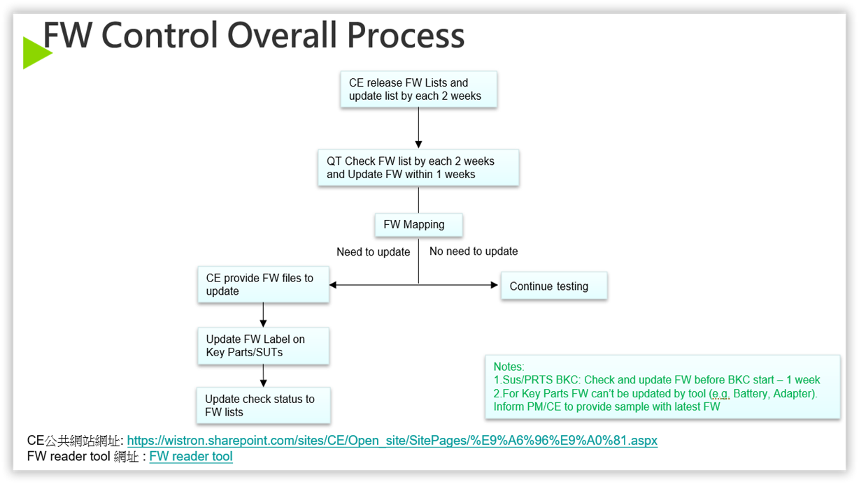
Tools | Download Link | Latest FW tool version date | FW check method
Touchpad | TouchPad | 2024-07-10 | Auto（CE提供Check Tool）
FPR | FPR | 2024-07-10 | Auto（CE提供Check Tool）
LCD | LCD | 2024-07-10 | Auto（CE提供Check Tool）
Touch Panel | Touch panel | 2024-07-10 | Auto（CE提供Check Tool）
Camera | Camera | 2024-07-10 | Auto
SSD | NA | NA | Auto
WLAN | NA | NA | Auto
TFR | NA | NA | Manual
Power supply | NA | NA | Manual
Battery | NA | NA | Manual

* New FW version update every 2 weeks

